Flight
13th Asian CADET Judo Championships & 20th Asian JUNIOR Judo Championships 2022

Country: | 0
Federation : | 0
FLIGHT SCHEDULE

ARRIVAL IN BANGKOK |  |  |  |  | Suvarnabhumi Airport / Don Muang Airport
Date | Time | AM / PM | Flight No. | No. of people | Airport | Remark

DEPARTURE FROM BANGKOK
Date | Time | AM / PM | Flight No. | No. of people |  | Remark

Note :
For Suvarnabhumi Airport (International Airport)
We will pick you up at Suvarnabhumi Airport (International Airport) and please wait us at gate no. 3 or Meeting Point
when you get your baggages and then through Customs. Please go to the right for the gate number 3 or Meeting Point
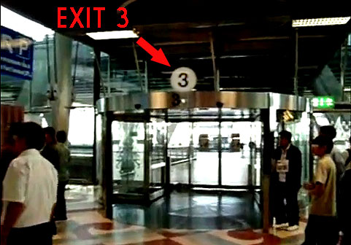
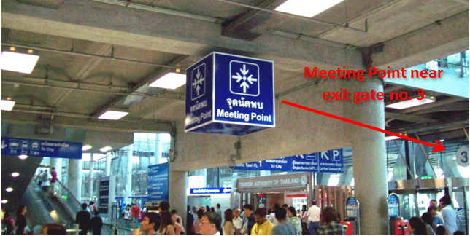

For Don Muang Airport
We will pick you up at Don Muang Airport and please wait us at gate no. 2
when you get your baggages and then through Customs. Please go to the right for the gate number 2

